TYPES OF PUBLICATIONS
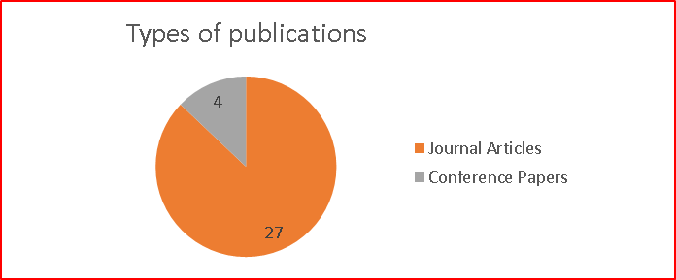

NO OF PUBLICATIONS EACH YEAR
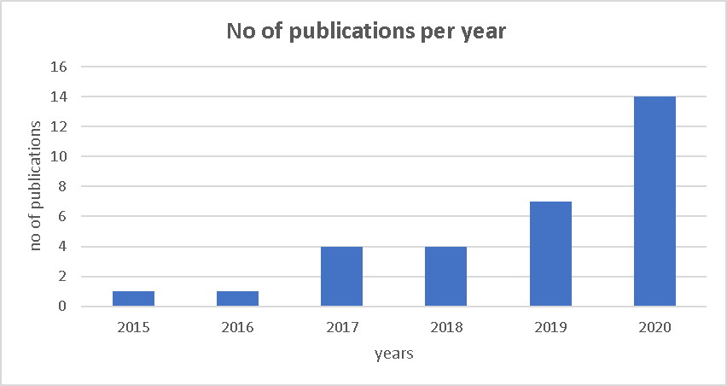

No of Publications per Country
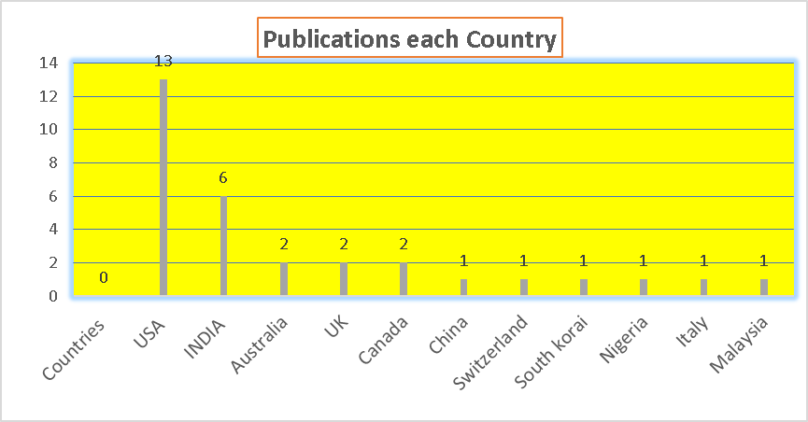

Purpse of selected studies
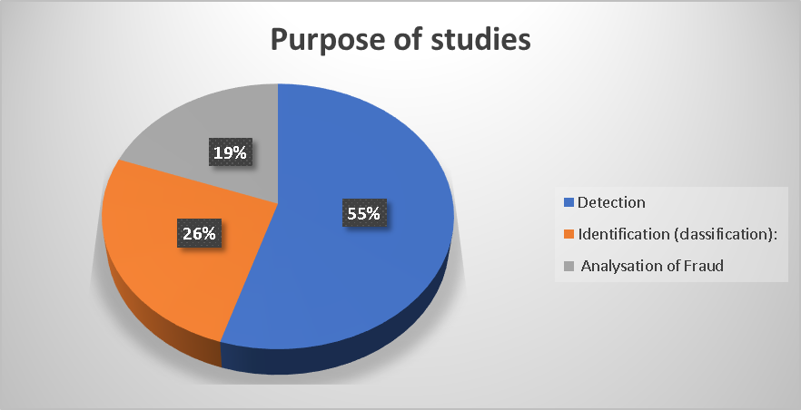

Network Map
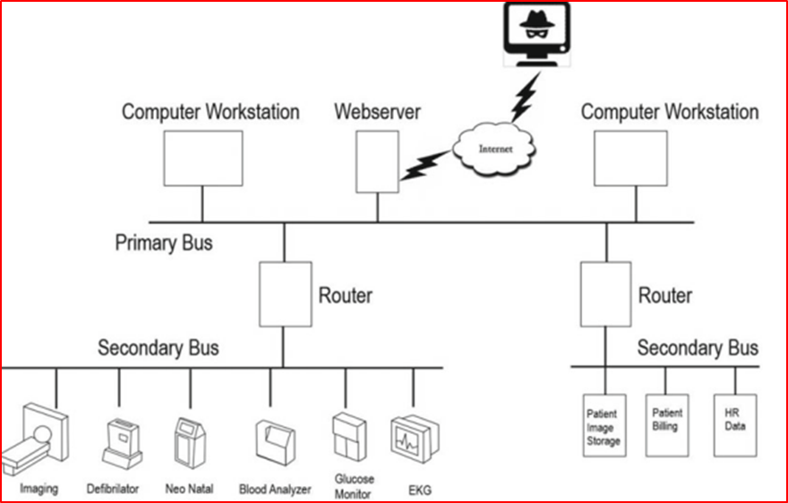
OVERSIMPLIFIED NETWORK MAP- THE POINT IS THAT EVERYTHING IS CONNECTED

